ART
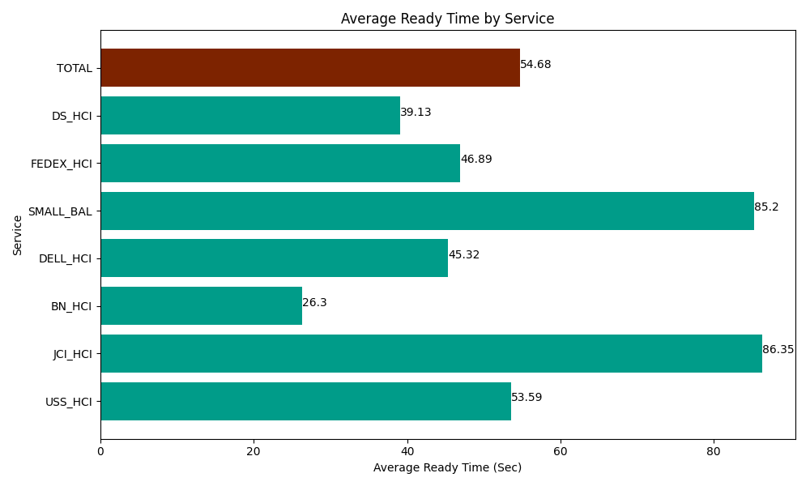
Date | Service | Successful Op Transfer | In Call (Sec) | Ready (Sec) | Wrapup (Sec) | Not Ready (Sec) | Average Ready Time (Sec)
04-23-2024 | USS_HCI | 294 | 41566.801758 | 15754.200439 | 43552.800293 | 19858.200073 | 53.59
04-23-2024 | JCI_HCI | 235 | 25840.799561 | 20293.200073 | 25003.200073 | 6952.2001648 | 86.35
04-23-2024 | BN_HCI | 1156 | 56818.798828 | 30398.999634 | 103835.99854 | 57172.800293 | 26.3
04-23-2024 | DELL_HCI | 210 | 24850.200806 | 9517.199707 | 55324.200439 | 38792.999268 | 45.32
04-23-2024 | SMALL_BAL | 5 | 455.99999428 | 425.99999428 | 415.20000458 | 990 | 85.2
04-23-2024 | FEDEX_HCI | 27 | 3162.0000458 | 1266.0000229 | 1261.2000275 | 1752.0000458 | 46.89
04-23-2024 | DS_HCI | 590 | 37684.200439 | 23086.199341 | 49123.798828 | 115031.99707 | 39.13
 | TOTAL | 2517 | 190378.80143 | 100741.79921 | 278516.3982 | 240550.19691 | 54.68

